Sensor Tray
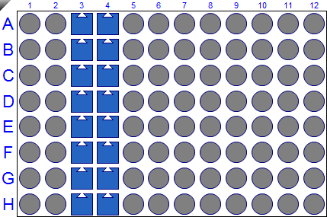

Assay Table |  |  |  | Sensor Location and File Name
Step | Step Name | Step Type | Step Time | Number | Sensor Location | Sensor Type | Sensor Info | File Name
1 | Baseline 1 | BASELINE | 180 | 1 | A3 | AHC (Anti-hIgG Fc Capture) |  | C:\ForteBio\Bill\20250917 PE P5216 - 5377 plate 1 kappa 50 ugl\250917_001.frd
2 | condition | CUSTOM | 20 | 2 | B3 | AHC (Anti-hIgG Fc Capture) |  | C:\ForteBio\Bill\20250917 PE P5216 - 5377 plate 1 kappa 50 ugl\250917_002.frd
3 | condition | CUSTOM | 20 | 3 | C3 | AHC (Anti-hIgG Fc Capture) |  | C:\ForteBio\Bill\20250917 PE P5216 - 5377 plate 1 kappa 50 ugl\250917_003.frd
4 | condition | CUSTOM | 20 | 4 | D3 | AHC (Anti-hIgG Fc Capture) |  | C:\ForteBio\Bill\20250917 PE P5216 - 5377 plate 1 kappa 50 ugl\250917_004.frd
5 | condition | CUSTOM | 20 | 5 | E3 | AHC (Anti-hIgG Fc Capture) |  | C:\ForteBio\Bill\20250917 PE P5216 - 5377 plate 1 kappa 50 ugl\250917_005.frd
6 | condition | CUSTOM | 20 | 6 | F3 | AHC (Anti-hIgG Fc Capture) |  | C:\ForteBio\Bill\20250917 PE P5216 - 5377 plate 1 kappa 50 ugl\250917_006.frd
7 | condition | CUSTOM | 20 | 7 | G3 | AHC (Anti-hIgG Fc Capture) |  | C:\ForteBio\Bill\20250917 PE P5216 - 5377 plate 1 kappa 50 ugl\250917_007.frd
8 | Baseline 120 | BASELINE | 120 | 8 | H3 | AHC (Anti-hIgG Fc Capture) |  | C:\ForteBio\Bill\20250917 PE P5216 - 5377 plate 1 kappa 50 ugl\250917_008.frd
9 | Loading | LOADING | 20 | 9 | A4 | AHC (Anti-hIgG Fc Capture) |  | C:\ForteBio\Bill\20250917 PE P5216 - 5377 plate 1 kappa 50 ugl\250917_009.frd
10 | Baseline 60 | BASELINE | 60 | 10 | B4 | AHC (Anti-hIgG Fc Capture) |  | C:\ForteBio\Bill\20250917 PE P5216 - 5377 plate 1 kappa 50 ugl\250917_010.frd
11 | Baseline 20 | BASELINE | 20 | 11 | C4 | AHC (Anti-hIgG Fc Capture) |  | C:\ForteBio\Bill\20250917 PE P5216 - 5377 plate 1 kappa 50 ugl\250917_011.frd
12 | Association | ASSOC | 120 | 12 | D4 | AHC (Anti-hIgG Fc Capture) |  | C:\ForteBio\Bill\20250917 PE P5216 - 5377 plate 1 kappa 50 ugl\250917_012.frd
 |  |  |  | 13 | E4 | AHC (Anti-hIgG Fc Capture) |  | C:\ForteBio\Bill\20250917 PE P5216 - 5377 plate 1 kappa 50 ugl\250917_013.frd
 |  |  |  | 14 | F4 | AHC (Anti-hIgG Fc Capture) |  | C:\ForteBio\Bill\20250917 PE P5216 - 5377 plate 1 kappa 50 ugl\250917_014.frd
 |  |  |  | 15 | G4 | AHC (Anti-hIgG Fc Capture) |  | C:\ForteBio\Bill\20250917 PE P5216 - 5377 plate 1 kappa 50 ugl\250917_015.frd
 |  |  |  | 16 | H4 | AHC (Anti-hIgG Fc Capture) |  | C:\ForteBio\Bill\20250917 PE P5216 - 5377 plate 1 kappa 50 ugl\250917_016.frd

Sensor Data
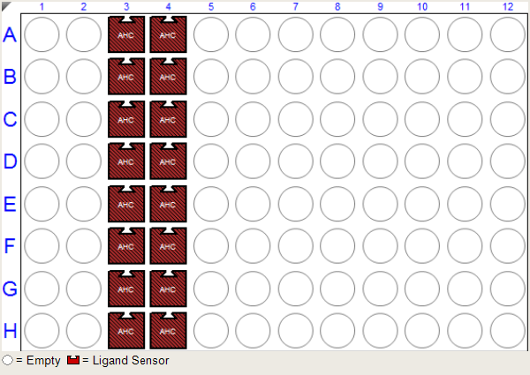

Well Number | Well Location | Sensor | Sensor Type | Sensor Info | File Name
1 | A1 | Empty
2 | B1 | Empty
3 | C1 | Empty
4 | D1 | Empty
5 | E1 | Empty
6 | F1 | Empty
7 | G1 | Empty
8 | H1 | Empty
9 | A2 | Empty
10 | B2 | Empty
11 | C2 | Empty
12 | D2 | Empty
13 | E2 | Empty
14 | F2 | Empty
15 | G2 | Empty
16 | H2 | Empty
17 | A3 | Ligand Sensor | AHC (Anti-hIgG Fc Capture) |  | C:\ForteBio\Bill\20250917 PE P5216 - 5377 plate 1 kappa 50 ugl\250917_001.frd
18 | B3 | Ligand Sensor | AHC (Anti-hIgG Fc Capture) |  | C:\ForteBio\Bill\20250917 PE P5216 - 5377 plate 1 kappa 50 ugl\250917_002.frd
19 | C3 | Ligand Sensor | AHC (Anti-hIgG Fc Capture) |  | C:\ForteBio\Bill\20250917 PE P5216 - 5377 plate 1 kappa 50 ugl\250917_003.frd
20 | D3 | Ligand Sensor | AHC (Anti-hIgG Fc Capture) |  | C:\ForteBio\Bill\20250917 PE P5216 - 5377 plate 1 kappa 50 ugl\250917_004.frd
21 | E3 | Ligand Sensor | AHC (Anti-hIgG Fc Capture) |  | C:\ForteBio\Bill\20250917 PE P5216 - 5377 plate 1 kappa 50 ugl\250917_005.frd
22 | F3 | Ligand Sensor | AHC (Anti-hIgG Fc Capture) |  | C:\ForteBio\Bill\20250917 PE P5216 - 5377 plate 1 kappa 50 ugl\250917_006.frd
23 | G3 | Ligand Sensor | AHC (Anti-hIgG Fc Capture) |  | C:\ForteBio\Bill\20250917 PE P5216 - 5377 plate 1 kappa 50 ugl\250917_007.frd
24 | H3 | Ligand Sensor | AHC (Anti-hIgG Fc Capture) |  | C:\ForteBio\Bill\20250917 PE P5216 - 5377 plate 1 kappa 50 ugl\250917_008.frd
25 | A4 | Ligand Sensor | AHC (Anti-hIgG Fc Capture) |  | C:\ForteBio\Bill\20250917 PE P5216 - 5377 plate 1 kappa 50 ugl\250917_009.frd
26 | B4 | Ligand Sensor | AHC (Anti-hIgG Fc Capture) |  | C:\ForteBio\Bill\20250917 PE P5216 - 5377 plate 1 kappa 50 ugl\250917_010.frd
27 | C4 | Ligand Sensor | AHC (Anti-hIgG Fc Capture) |  | C:\ForteBio\Bill\20250917 PE P5216 - 5377 plate 1 kappa 50 ugl\250917_011.frd
28 | D4 | Ligand Sensor | AHC (Anti-hIgG Fc Capture) |  | C:\ForteBio\Bill\20250917 PE P5216 - 5377 plate 1 kappa 50 ugl\250917_012.frd
29 | E4 | Ligand Sensor | AHC (Anti-hIgG Fc Capture) |  | C:\ForteBio\Bill\20250917 PE P5216 - 5377 plate 1 kappa 50 ugl\250917_013.frd
30 | F4 | Ligand Sensor | AHC (Anti-hIgG Fc Capture) |  | C:\ForteBio\Bill\20250917 PE P5216 - 5377 plate 1 kappa 50 ugl\250917_014.frd
31 | G4 | Ligand Sensor | AHC (Anti-hIgG Fc Capture) |  | C:\ForteBio\Bill\20250917 PE P5216 - 5377 plate 1 kappa 50 ugl\250917_015.frd
32 | H4 | Ligand Sensor | AHC (Anti-hIgG Fc Capture) |  | C:\ForteBio\Bill\20250917 PE P5216 - 5377 plate 1 kappa 50 ugl\250917_016.frd
33 | A5 | Empty
34 | B5 | Empty
35 | C5 | Empty
36 | D5 | Empty
37 | E5 | Empty
38 | F5 | Empty
39 | G5 | Empty
40 | H5 | Empty
41 | A6 | Empty
42 | B6 | Empty
43 | C6 | Empty
44 | D6 | Empty
45 | E6 | Empty
46 | F6 | Empty
47 | G6 | Empty
48 | H6 | Empty
49 | A7 | Empty
50 | B7 | Empty
51 | C7 | Empty
52 | D7 | Empty
53 | E7 | Empty
54 | F7 | Empty
55 | G7 | Empty
56 | H7 | Empty
57 | A8 | Empty
58 | B8 | Empty
59 | C8 | Empty
60 | D8 | Empty
61 | E8 | Empty
62 | F8 | Empty
63 | G8 | Empty
64 | H8 | Empty
65 | A9 | Empty
66 | B9 | Empty
67 | C9 | Empty
68 | D9 | Empty
69 | E9 | Empty
70 | F9 | Empty
71 | G9 | Empty
72 | H9 | Empty
73 | A10 | Empty
74 | B10 | Empty
75 | C10 | Empty
76 | D10 | Empty
77 | E10 | Empty
78 | F10 | Empty
79 | G10 | Empty
80 | H10 | Empty
81 | A11 | Empty
82 | B11 | Empty
83 | C11 | Empty
84 | D11 | Empty
85 | E11 | Empty
86 | F11 | Empty
87 | G11 | Empty
88 | H11 | Empty
89 | A12 | Empty
90 | B12 | Empty
91 | C12 | Empty
92 | D12 | Empty
93 | E12 | Empty
94 | F12 | Empty
95 | G12 | Empty
96 | H12 | Empty

Sample Data
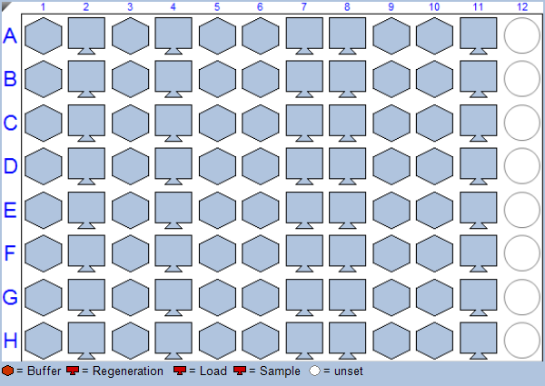

Well Number | Well Location | Well Type | Sample ID | Description | Molar Conc.
1 | A1 | Buffer | Running Buffer |  | 65535
2 | B1 | Buffer | Running Buffer |  | 65535
3 | C1 | Buffer | Running Buffer |  | 65535
4 | D1 | Buffer | Running Buffer |  | 65535
5 | E1 | Buffer | Running Buffer |  | 65535
6 | F1 | Buffer | Running Buffer |  | 65535
7 | G1 | Buffer | Running Buffer |  | 65535
8 | H1 | Buffer | Running Buffer |  | 65535
9 | A2 | Regeneration | 10mM Glycine pH1.7 | or other Regeneration solution | 65535
10 | B2 | Regeneration | 10mM Glycine pH1.7 | or other Regeneration solution | 65535
11 | C2 | Regeneration | 10mM Glycine pH1.7 | or other Regeneration solution | 65535
12 | D2 | Regeneration | 10mM Glycine pH1.7 | or other Regeneration solution | 65535
13 | E2 | Regeneration | 10mM Glycine pH1.7 | or other Regeneration solution | 65535
14 | F2 | Regeneration | 10mM Glycine pH1.7 | or other Regeneration solution | 65535
15 | G2 | Regeneration | 10mM Glycine pH1.7 | or other Regeneration solution | 65535
16 | H2 | Regeneration | 10mM Glycine pH1.7 | or other Regeneration solution | 65535
17 | A3 | Buffer | Running Buffer |  | 65535
18 | B3 | Buffer | Running Buffer |  | 65535
19 | C3 | Buffer | Running Buffer |  | 65535
20 | D3 | Buffer | Running Buffer |  | 65535
21 | E3 | Buffer | Running Buffer |  | 65535
22 | F3 | Buffer | Running Buffer |  | 65535
23 | G3 | Buffer | Running Buffer |  | 65535
24 | H3 | Buffer | Running Buffer |  | 65535
25 | A4 | Load | AB | in Running Buffer | 65535
26 | B4 | Load | AB | in Running Buffer | 65535
27 | C4 | Load | AB | in Running Buffer | 65535
28 | D4 | Load | AB | in Running Buffer | 65535
29 | E4 | Load | AB | in Running Buffer | 65535
30 | F4 | Load | AB | in Running Buffer | 65535
31 | G4 | Load | AB | in Running Buffer | 65535
32 | H4 | Load | AB | in Running Buffer | 65535
33 | A5 | Buffer | AA |  | 65535
34 | B5 | Buffer | AA |  | 65535
35 | C5 | Buffer | AA |  | 65535
36 | D5 | Buffer | AA |  | 65535
37 | E5 | Buffer | BB |  | 65535
38 | F5 | Buffer | BB |  | 65535
39 | G5 | Buffer | BB |  | 65535
40 | H5 | Buffer | BB |  | 65535
41 | A6 | Buffer | Running Buffer | in Running Buffer | 65535
42 | B6 | Buffer | Running Buffer | in Running Buffer | 65535
43 | C6 | Buffer | Running Buffer | in Running Buffer | 65535
44 | D6 | Buffer | Running Buffer | in Running Buffer | 65535
45 | E6 | Buffer | Running Buffer | in Running Buffer | 65535
46 | F6 | Buffer | Running Buffer | in Running Buffer | 65535
47 | G6 | Buffer | Running Buffer | in Running Buffer | 65535
48 | H6 | Buffer | Running Buffer | in Running Buffer | 65535
49 | A7 | Sample | aKappa 50ug/ml |  | 65535
50 | B7 | Sample | aKappa 50ug/ml |  | 65535
51 | C7 | Sample | aKappa 50ug/ml |  | 65535
52 | D7 | Sample | aKappa 50ug/ml |  | 65535
53 | E7 | Sample | aKappa 50ug/ml |  | 65535
54 | F7 | Sample | aKappa 50ug/ml |  | 65535
55 | G7 | Sample | aKappa 50ug/ml |  | 65535
56 | H7 | Sample | aKappa 50ug/ml |  | 65535
57 | A8 | Load |  |  | 65535
58 | B8 | Load |  |  | 65535
59 | C8 | Load |  |  | 65535
60 | D8 | Load |  |  | 65535
61 | E8 | Load |  |  | 65535
62 | F8 | Load |  |  | 65535
63 | G8 | Load |  |  | 65535
64 | H8 | Load |  |  | 65535
65 | A9 | Buffer |  |  | 65535
66 | B9 | Buffer |  |  | 65535
67 | C9 | Buffer |  |  | 65535
68 | D9 | Buffer |  |  | 65535
69 | E9 | Buffer |  |  | 65535
70 | F9 | Buffer |  |  | 65535
71 | G9 | Buffer |  |  | 65535
72 | H9 | Buffer |  |  | 65535
73 | A10 | Buffer |  |  | 65535
74 | B10 | Buffer |  |  | 65535
75 | C10 | Buffer |  |  | 65535
76 | D10 | Buffer |  |  | 65535
77 | E10 | Buffer |  |  | 65535
78 | F10 | Buffer |  |  | 65535
79 | G10 | Buffer |  |  | 65535
80 | H10 | Buffer |  |  | 65535
81 | A11 | Sample |  |  | 65535
82 | B11 | Sample |  |  | 65535
83 | C11 | Sample |  |  | 65535
84 | D11 | Sample |  |  | 65535
85 | E11 | Sample |  |  | 65535
86 | F11 | Sample |  |  | 65535
87 | G11 | Sample |  |  | 65535
88 | H11 | Sample |  |  | 65535
89 | A12 | unset |  |  | 65535
90 | B12 | unset |  |  | 65535
91 | C12 | unset |  |  | 65535
92 | D12 | unset |  |  | 65535
93 | E12 | unset |  |  | 65535
94 | F12 | unset |  |  | 65535
95 | G12 | unset |  |  | 65535
96 | H12 | unset |  |  | 65535

Raw and Aligned Data
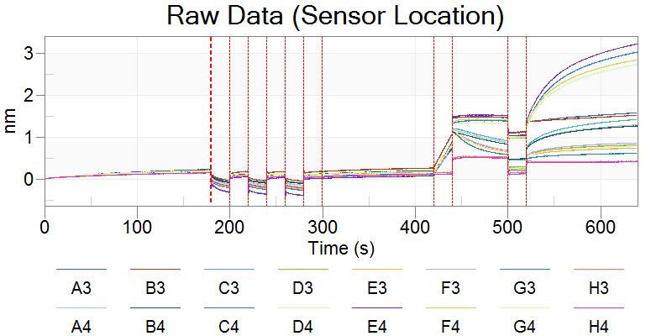
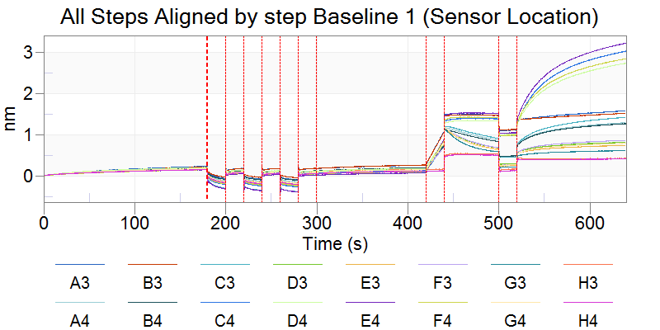
Sensor Location | Color | Sensor | Sensor Type | Sensor Info
A3 |  | Ligand Sensor | AHC (Anti-hIgG Fc Capture)
B3 |  | Ligand Sensor | AHC (Anti-hIgG Fc Capture)
C3 |  | Ligand Sensor | AHC (Anti-hIgG Fc Capture)
D3 |  | Ligand Sensor | AHC (Anti-hIgG Fc Capture)
E3 |  | Ligand Sensor | AHC (Anti-hIgG Fc Capture)
F3 |  | Ligand Sensor | AHC (Anti-hIgG Fc Capture)
G3 |  | Ligand Sensor | AHC (Anti-hIgG Fc Capture)
H3 |  | Ligand Sensor | AHC (Anti-hIgG Fc Capture)
A4 |  | Ligand Sensor | AHC (Anti-hIgG Fc Capture)
B4 |  | Ligand Sensor | AHC (Anti-hIgG Fc Capture)
C4 |  | Ligand Sensor | AHC (Anti-hIgG Fc Capture)
D4 |  | Ligand Sensor | AHC (Anti-hIgG Fc Capture)
E4 |  | Ligand Sensor | AHC (Anti-hIgG Fc Capture)
F4 |  | Ligand Sensor | AHC (Anti-hIgG Fc Capture)
G4 |  | Ligand Sensor | AHC (Anti-hIgG Fc Capture)
H4 |  | Ligand Sensor | AHC (Anti-hIgG Fc Capture)

Processed Data
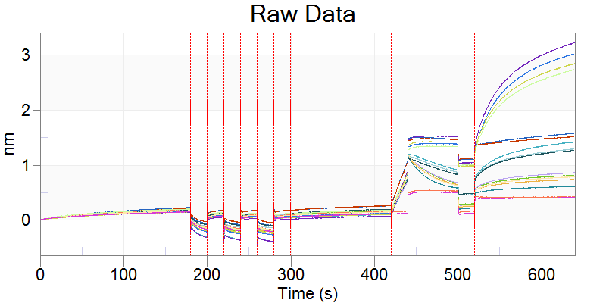

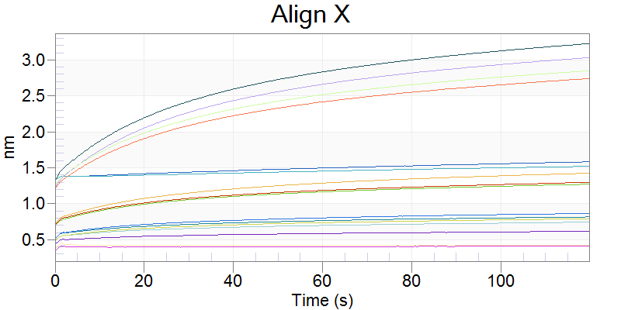

Stacked Graphs
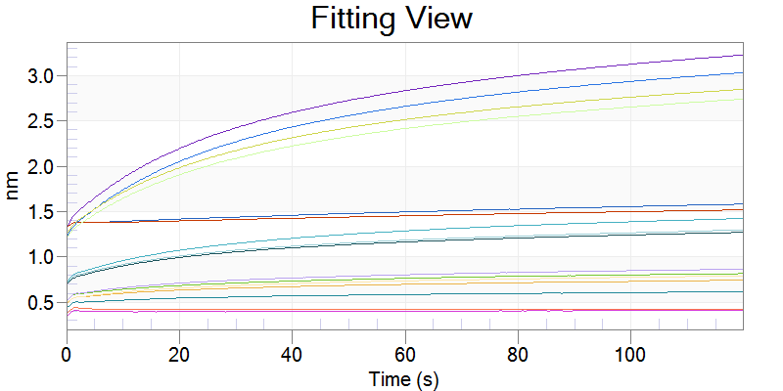

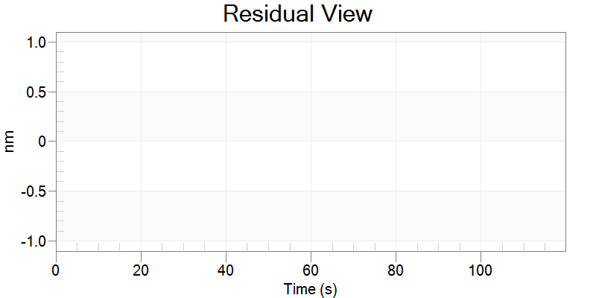

Grouped Graph
